documents
Add |  | POST /testindex /_doc { "name": "uma" "age":25 } (or) Put /testindex /_doc/10 { "name": "uma" "age":25 } | { "_index" : "testindex", "_type" : "_doc", "_id" : "10", "_version" : 1, "result" : "created", "_shards" : { "total" : 4, "successful" : 2, has to come 3 but got 2 need to check "failed" : 0 }, "_seq_no" : 0, "_primary_term" : 1 }
 | action.auto_create_index is a setting that is by default true at cluster level where the index is created when we directly add a document

Get | A read request Is handled by a coordinatind node Routing is used to resolve documents replication group ARS is used to send query to best available shard. It is the main component that share read load across shards - Means Adaptive Replica Selection - Helps reduces query responses - Load balancer coordinating node collects response and sends to client | GET /testindex /_doc/10 { "_index" : "testindex", "_type" : "_doc", "_id" : "12", "_version" : 1, "_seq_no" : 0, "_primary_term" : 1, "found" : true, "_source" : { "name" : "uma", "age" : 25 } } | { "_index" : "testindex", "_type" : "_doc", "_id" : "12", "_version" : 1, "_seq_no" : 0, "_primary_term" : 1, "found" : true, (false) "_source" : { "name" : "uma", "age" : 25 } }

Update | • Documents are immutable • We are not updating the documents. We are replacing the documents • ->Current document gets retrieved ->field values or changed or added ->exsiting doc is replaced wit the modified doc and re indexed within the shard . • While updating we will be having an exception “noop” which is resulted when we are updating the field with same value | POST /testindex/_update /12 { "doc": { "age": 27, "details": { "companies":["entlogics", "fortunapix","techforce.ai"], "exp":2 } } } | { "_index" : "testindex", "_type" : "_doc", "_id" : "12", "_version" : 8, "result" : "updated", "_shards" : { "total" : 2, "successful" : 2, "failed" : 0 }, "_seq_no" : 7, "_primary_term" : 1 }

 | An update always happens on primary shard and gets replicated to all replica shards.
Update across shards | when the main primary shard gets down then a replica shard gets promoted to primary shard. Under tgis ther is a chance of having differed replica shards as shown in pic 2. Elastic search handles this case using primary term and sequence numbers Primary Term: A way to distinguish old and primary shards. It is a counter for how many time a primary shard got changed. it is appened to write operations Sequence numbers: it is appened to all write operations to gether with primary terms. it is a counter that is incremented for each write operation. primary shard increases sequence number and enables elastic search to order write operations. Using both terms elastic search can find failed write operations that needs to be applied and recover primary shard failure transactions. For large indices, this process is very expensive
 | To speed up process. Elastic search maintains global and local checkpoints which are essentially sequence numbers. Global Checkpoints- Replication Group - It is a sequence number that all active shards with replication group gets aligned to this number to the least Local Checkpoints - Replica Shard - The sequence number for the last write operation so documents can be disctinguished easily using global checkpoints of whole group with local checkpoints happened inside the shard

Concurrent updates | Elastic search has versioning in documents [_version] which doesnt means that we can point to specific version. It just annotates document with version attribute as a metadata which can be used while working with concurrent updates. It will be incremented for every update Version can maintaine external as well. in the cases if storing meta data over RDBMS PUT /product/doc/123?version=3&version_type=external Version values can be ratained for 60 secs when deleting a document. Now it is not used and best practice since the existance of optimistic concurrency control Optimistic concurrency control Overwriting the documents due to concurrent operations. When two operations are happening concurrently on the same document then there will be an issue with one of the request for wrong transaction. So we need to validate if there is any version updated while updating the record. POST testindex/_update/100?version=1 It is an older solution which will have issues. Instead we can use sequential number and primary term for better reliablity POST /testindex/_update/100?if_primary_term=1&if_seq_no=4 The document update only when both values matches

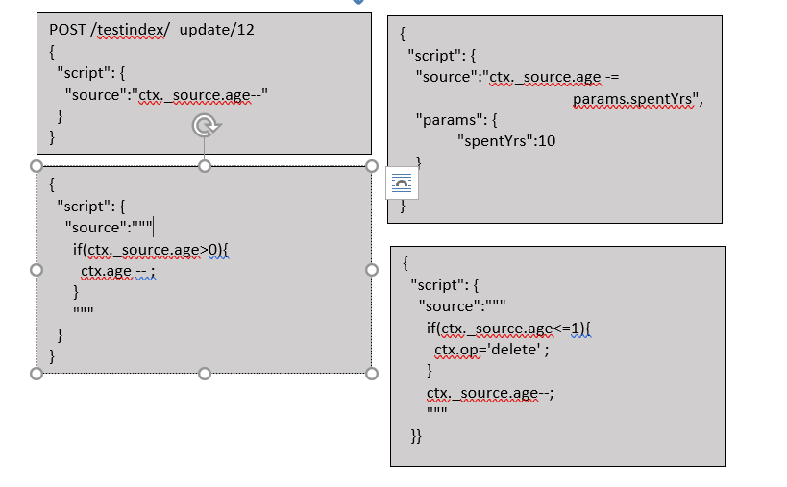
Update by script

 |  |  | { "_index" : "testindex", "_type" : "_doc", "_id" : "12", "_version" : 11, "result" : "updated/n", "_shards" : { "total" : 2, "successful" : 2, "failed" : 0 }, "_seq_no" : 10, "_primary_term" : 1 }
Replace | We can replace the document with specific Id using put request

Delete document by id |  | DELETE /testindex/_doc/12

Bulk insert/update/delete |  | POST /_bulk {"index":{"_index":"mondelez"}} {"text":"Halls Jar 448 Piece Jar"} {"index":{"_index":"mondelez"}} {"text":"हॉल्स जार चार सौ अड़तालीस पिस जार"}
 | 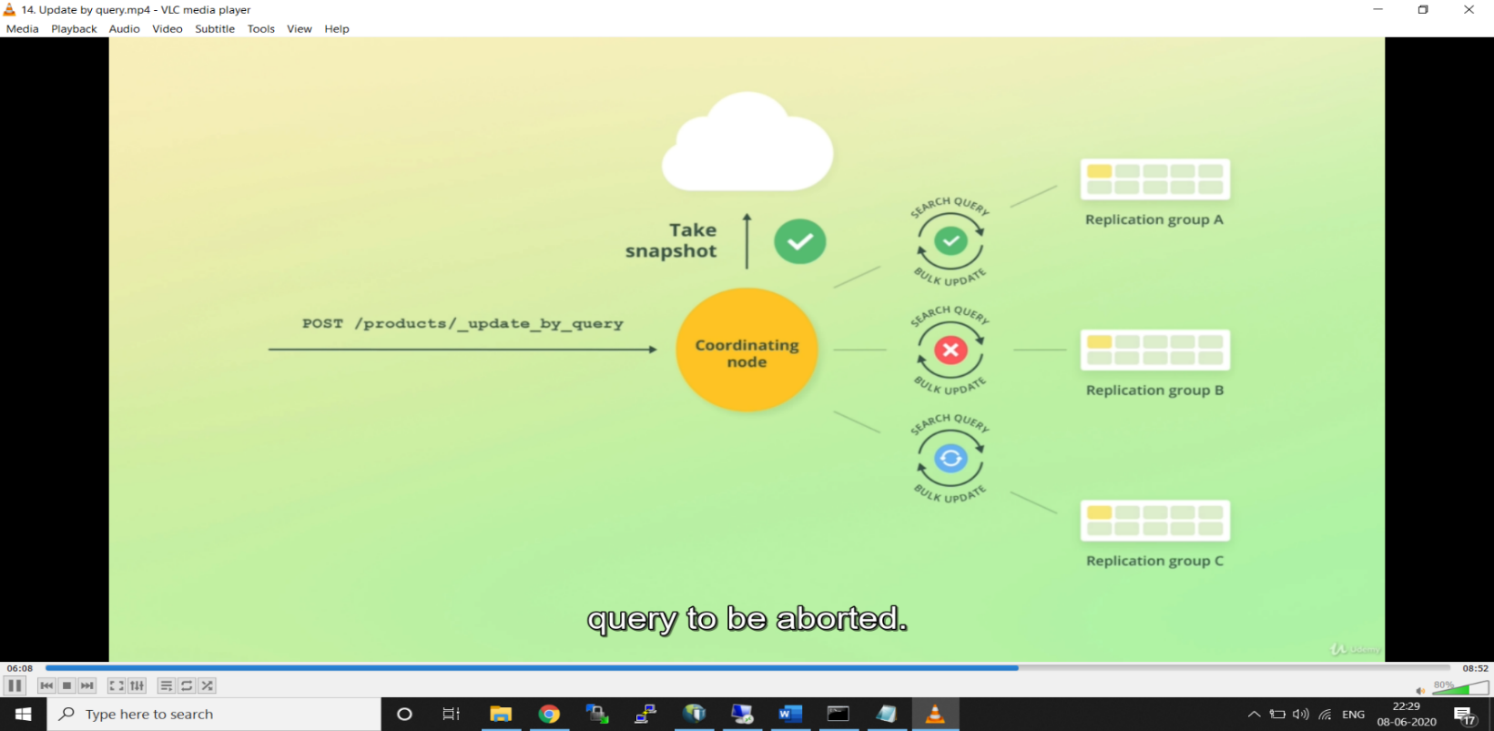 | POST /_bulk {"create":{"_index":"mondelez",”_id”:10}} {"text":"Halls Jar 448 Piece Jar} {"update":{"_index":"mondelez",”_id”:10}} {"text":"हॉल्स जार चार सौ अड़तालीस पिस जार"} {"delete":{"_index":"mondelez",”_id”:10}}
 | A snapshot is taken before update to prevent the overwriting the changes happen on concurrent requests. Documents primary and sequence number is used to validate with snapshot while updating the document (optimistic concurrency control) version_conflicts key is shown with value(query abortion can be avoided by “conflicts”:”proceed” in query). A search query happens first and a bulk update is applied on that records.it executes each pair of search and bulk query sequentially rather than simultaneously to have error handling.it retries up to 10 time and will abort the query at that juncture with no roll back. scroll api
 | Note: Content type; application/x-ndjson Each line must ends with \n or \r\n but not in text Single action failure willnot affet other actions and will get error keys in order of insertion
 | cUrl to insert file data curl -H “Content-Type:application/x-ndjson” -XPOST http://localhost:9200/testindex/_bulk --data-binary “@output.json”

